LDBOND
LIC MF BOND FUND |  |  |  |  |  |  | Index

Monthly Portfolio Statement as on November 30,2022
Name of the Instrument | ISIN | Industry / Rating | Quantity | Market/Fair Value (Rounded, Rs. In Lacs) | Rounded, % to Net Assets | Yield

Debt Instruments
(a)Listed / Awaiting listing on stock Exchanges
7.26% Government of India | IN0020220060 | SOVEREIGN | 6,700,000.000 | 6,821.76 | 57.19% | 7.28%
7.8% State Government of Gujarat | IN1520220055 | SOVEREIGN | 2,500,000.000 | 2,602.63 | 21.82% | 7.61%
8.0% Housing Development Finance Corp Ltd. | INE001A07TO8 | CRISIL AAA | 100.000 | 1,037.90 | 8.70% | 7.84%
7.82% State Government of Gujarat | IN1520220030 | SOVEREIGN | 500,000.000 | 523.85 | 4.39% | 7.60%
7.86% State Government of Haryana | IN1620220112 | SOVEREIGN | 400,000.000 | 420.15 | 3.52% | 7.60%
Sub Total |  |  |  | 11,406.29 | 95.62%

(b)Privately Placed/Unlisted
Sub Total |  |  |  | NIL | NIL

(c)Securitised Debt Instruments
Sub Total |  |  |  | NIL | NIL

TOTAL |  |  |  | 11,406.29 | 95.62%

Treps / Reverse Repo
Treps |  |  |  | 491.08 | 4.12%
Sub Total |  |  |  | 491.08 | 4.12%

TOTAL |  |  |  | 491.08 | 4.12%
Net Receivables / (Payables) |  |  |  | 31.88 | 0.26%
GRAND TOTAL |  |  |  | 11,929.25 | 100.00%

The product is suitable for investors who are seeking* | Riskometer - Scheme | First Tier Benchmark | Riskometer - First Tier Benchmark
LIC MF Bond Fund | 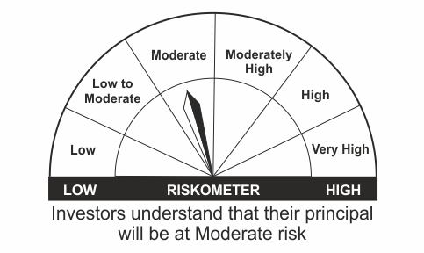 |  | 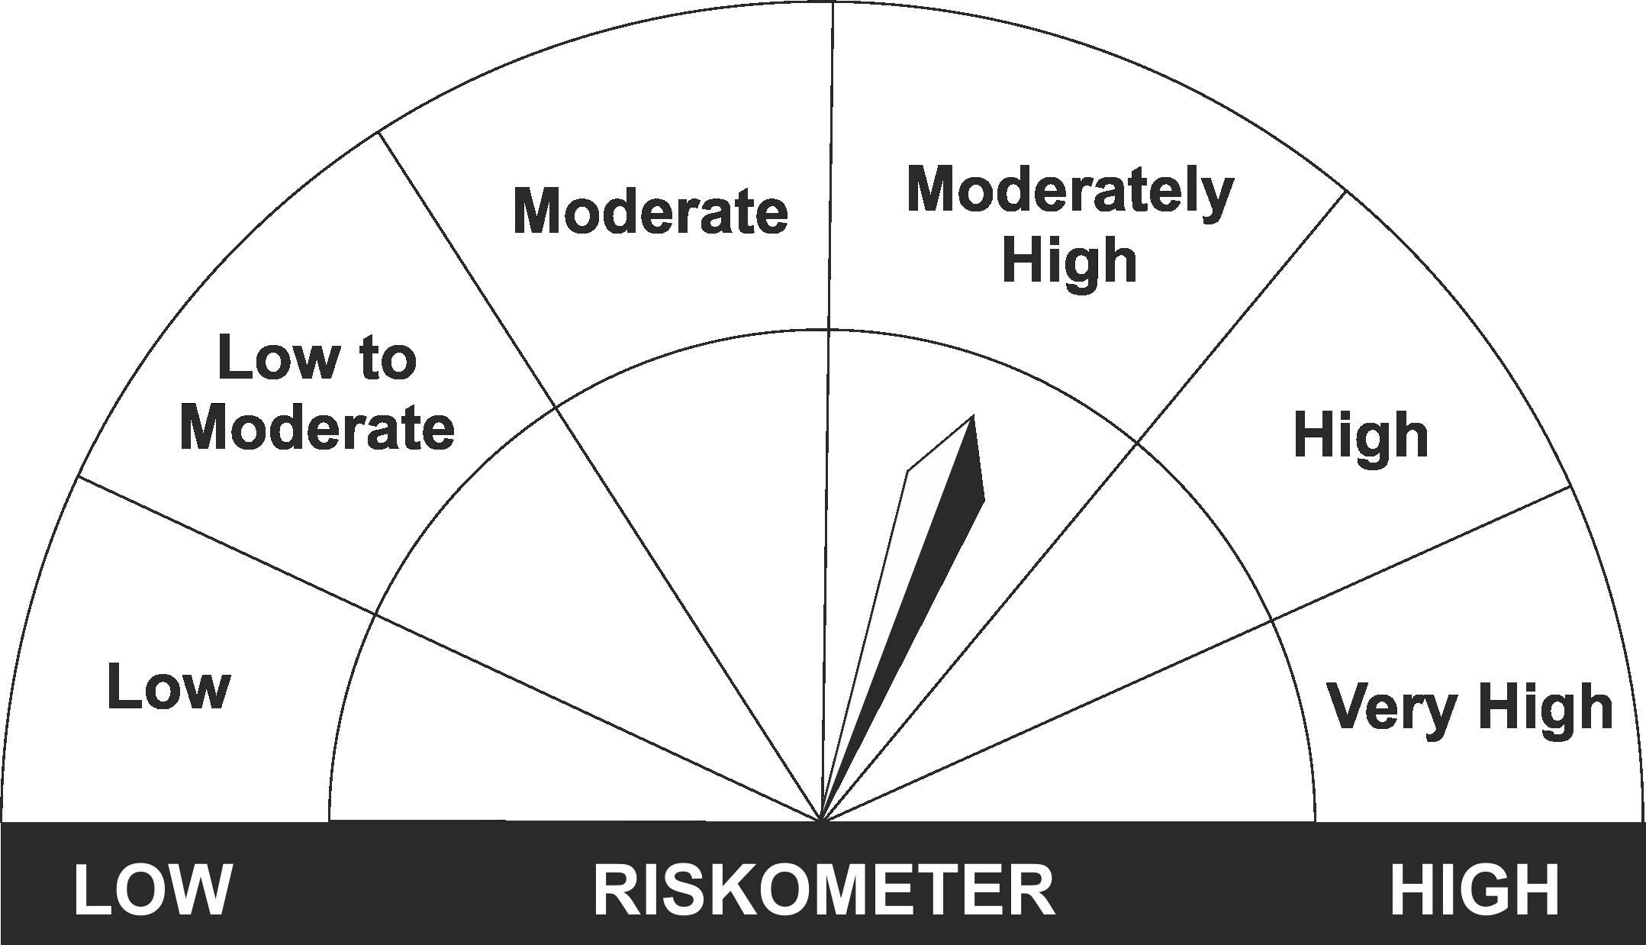
•Income Over Medium to long term |  | CRISIL Medium to Long Duration Fund BIII Index
•To generate income/capital appreciation through investments in Debt / Money Market Instruments
•Risk – Moderate |  | •Risk - Moderately High

*Investors should consult their financial advisers if in doubt about whether the product is suitable for them.
Mutual Fund investments are subject to market risks, read all scheme related documents carefully.

 | Potential Risk Class
LIC MF Bond Fund | Credit Risk | Relatively Low (Class A) | Moderate (Class B) | Relatively High (Class C)
 | Interest Rate Risk
 | Relatively Low (Class I)
 | Moderate (Class II)
 | Relatively High (Class III) |  | B-III

LDGETF
LIC MF NIFTY 8-13 YR G-SEC ETF | NSE Symbol: LICNETFGSC |  |  |  |  |  | Index

Monthly Portfolio Statement as on November 30,2022
Name of the Instrument | ISIN | Industry / Rating | Quantity | Market/Fair Value (Rounded, Rs. In Lacs) | Rounded, % to Net Assets | Yield

Debt Instruments
(a)Listed / Awaiting listing on stock Exchanges
6.54% Government of India | IN0020210244 | SOVEREIGN | 66,764,900.000 | 64,937.30 | 43.48% | 7.33%
7.26% Government of India | IN0020220060 | SOVEREIGN | 47,500,000.000 | 48,363.22 | 32.38% | 7.28%
6.1% Government of India | IN0020210095 | SOVEREIGN | 37,613,100.000 | 35,668.61 | 23.88% | 7.29%
Sub Total |  |  |  | 148,969.13 | 99.74%

(b)Privately Placed/Unlisted
Sub Total |  |  |  | NIL | NIL

(c)Securitised Debt Instruments
Sub Total |  |  |  | NIL | NIL

TOTAL |  |  |  | 148,969.13 | 99.74%

Treps / Reverse Repo
Treps |  |  |  | 267.53 | 0.18%
Sub Total |  |  |  | 267.53 | 0.18%

TOTAL |  |  |  | 267.53 | 0.18%
Net Receivables / (Payables) |  |  |  | 124.24 | 0.08%
GRAND TOTAL |  |  |  | 149,360.90 | 100.00%

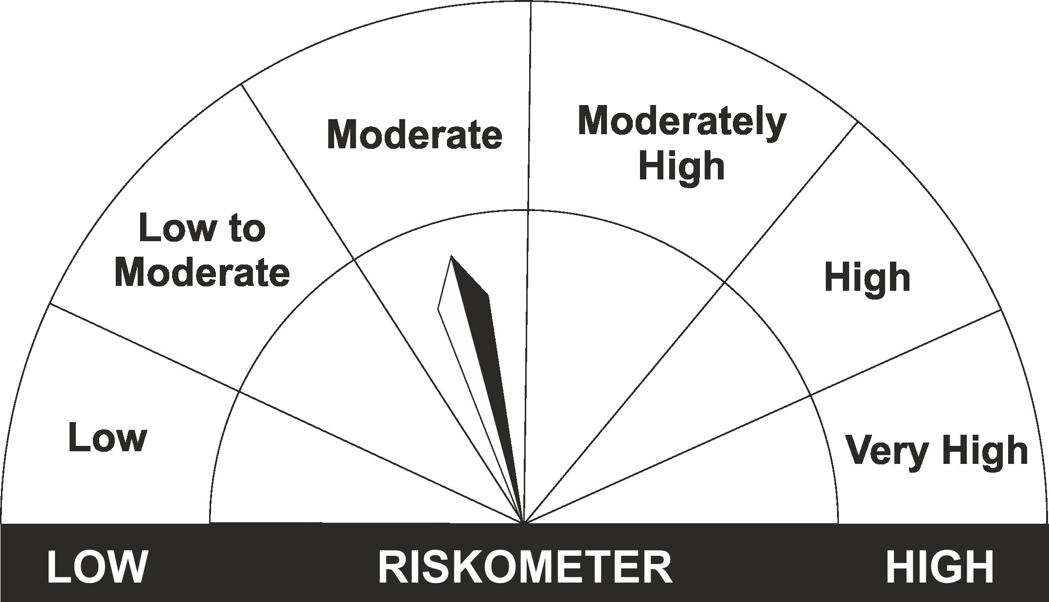
The product is suitable for investors who are seeking* | Riskometer - Scheme | First Tier Benchmark | Riskometer - First Tier Benchmark
LIC MF Nifty 8-13 yr G-Sec ETF
•Medium to long term regular Income. |  | Nifty 8-13 yr G-Sec
•Investment in securities in line with Nifty 8- 13 Yr G-Sec Index to generate comparable returns subject to tracking error.
•Risk - Moderate |  | •Risk - Moderate

*Investors should consult their financial advisers if in doubt about whether the product is suitable for them.
Mutual Fund investments are subject to market risks, read all scheme related documents carefully.

 | Potential Risk Class
LIC MF NIFTY 8-13 YR G-SEC ETF | Credit Risk | Relatively Low (Class A) | Moderate (Class B) | Relatively High (Class C)
 | Interest Rate Risk
 | Relatively Low (Class I)
 | Moderate (Class II)
 | Relatively High (Class III) | A-III

LDMNMF
LIC MF MONEY MARKET FUND |  |  |  |  |  |  | Index

Monthly Portfolio Statement as on November 30,2022
Name of the Instrument | ISIN | Industry / Rating | Quantity | Market/Fair Value (Rounded, Rs. In Lacs) | Rounded, % to Net Assets | Yield

Money Market Instruments

Treasury Bill
364 DAYS TBILL RED 27-07-2023 | IN002022Z176 | SOVEREIGN | 5,000,000.000 | 4,789.06 | 46.59% | 6.76%
91 DAYS TBILL RED 05-01-2023 | IN002022X270 | SOVEREIGN | 2,500,000.000 | 2,485.30 | 24.18% | 6.17%
364 DAYS TBILL RED 02-11-2023 | IN002022Z317 | SOVEREIGN | 2,500,000.000 | 2,351.95 | 22.88% | 6.84%
Sub Total |  |  |  | 9,626.31 | 93.65%

TOTAL |  |  |  | 9,626.31 | 93.65%

Treps / Reverse Repo
Treps |  |  |  | 644.99 | 6.27%
Sub Total |  |  |  | 644.99 | 6.27%

TOTAL |  |  |  | 644.99 | 6.27%
Net Receivables / (Payables) |  |  |  | 8.18 | 0.08%
GRAND TOTAL |  |  |  | 10,279.48 | 100.00%

The product is suitable for investors who are seeking* | Riskometer - Scheme | First Tier Benchmark | Riskometer - First Tier Benchmark
LIC MF Money Market Fund | 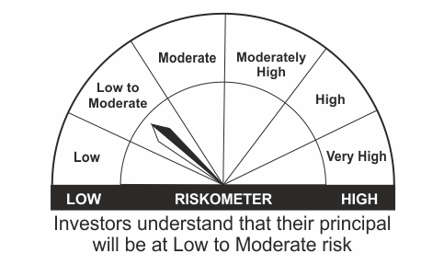
•Income over short term. |  | NIFTY Money Market Index B-I
•Investment in money market instruments with maturity upto one year.
•Risk – Low to Moderate |  | •Risk - Moderate

*Investors should consult their financial advisers if in doubt about whether the product is suitable for them.
Mutual Fund investments are subject to market risks, read all scheme related documents carefully.

 | Potential Risk Class
LIC MF Money Market Fund | Credit Risk | Relatively Low (Class A) | Moderate (Class B) | Relatively High (Class C)
 | Interest Rate Risk
 | Relatively Low (Class I) |  | B-I
 | Moderate (Class II)
 | Relatively High (Class III)

LDUSTF
LIC MF ULTRA SHORT TERM FUND |  |  |  |  |  |  | Index

Monthly Portfolio Statement as on November 30,2022
Name of the Instrument | ISIN | Industry / Rating | Quantity | Market/Fair Value (Rounded, Rs. In Lacs) | Rounded, % to Net Assets | Yield

Money Market Instruments

Treasury Bill
364 DAYS TBILL RED 27-07-2023 | IN002022Z176 | SOVEREIGN | 1,000,000.000 | 957.81 | 36.02% | 6.76%
182 DAYS TBILL RED 05-01-2023 | IN002022Y146 | SOVEREIGN | 500,000.000 | 497.06 | 18.69% | 6.17%
Sub Total |  |  |  | 1,454.87 | 54.72%

TOTAL |  |  |  | 1,454.87 | 54.72%

Treps / Reverse Repo
Treps |  |  |  | 1,168.63 | 43.95%
Sub Total |  |  |  | 1,168.63 | 43.95%

TOTAL |  |  |  | 1,168.63 | 43.95%
Net Receivables / (Payables) |  |  |  | 35.43 | 1.33%
GRAND TOTAL |  |  |  | 2,658.93 | 100.00%

The product is suitable for investors who are seeking* | Riskometer - Scheme | First Tier Benchmark | Riskometer - First Tier Benchmark
LIC MF Ultra Short Term Fund | 
•Income over short term. |  | CRISIL Ultra Short Duration Fund BI Index
•Investment in Debt & Money Market Instruments such that the Macaulay Duration of the portfolio is between 3 months- 6 months.
•Risk – Low |  | •Risk - Moderate

*Investors should consult their financial advisers if in doubt about whether the product is suitable for them.
Mutual Fund investments are subject to market risks, read all scheme related documents carefully.

 | Potential Risk Class
LIC MF Ultra Short Term Fund | Credit Risk | Relatively Low (Class A) | Moderate (Class B) | Relatively High (Class C)
 | Interest Rate Risk
 | Relatively Low (Class I) |  | B-I
 | Moderate (Class II)
 | Relatively High (Class III)

LLIQDF
LIC MF LIQUID FUND |  |  |  |  |  |  | Index

Monthly Portfolio Statement as on November 30,2022
Name of the Instrument | ISIN | Industry / Rating | Quantity | Market/Fair Value (Rounded, Rs. In Lacs) | Rounded, % to Net Assets | Yield

Money Market Instruments

Certificate of Deposit
IDFC First Bank Ltd. ** # | INE092T16TF6 | ICRA A1+ | 6,000.000 | 29,621.58 | 5.55% | 6.96%
Canara Bank # | INE476A16UJ1 | CRISIL A1+ | 4,000.000 | 19,726.40 | 3.70% | 6.75%
Indian Bank # | INE562A16KZ5 | FITCH A1+ | 2,000.000 | 10,000.00 | 1.88% | 5.84%
HDFC Bank Ltd. # | INE040A16DL7 | CARE A1+ | 2,000.000 | 9,915.65 | 1.86% | 6.75%
IDFC First Bank Ltd. ** # | INE092T16TI0 | ICRA A1+ | 2,000.000 | 9,860.86 | 1.85% | 6.96%
Axis Bank Ltd. ** # | INE238A167X5 | CRISIL A1+ | 1,000.000 | 4,994.10 | 0.94% | 6.17%
Sub Total |  |  |  | 84,118.59 | 15.77%

Commercial Paper
Birla Group Holdings Pvt Ltd. ** | INE09OL14BT9 | CRISIL A1+ | 7,500.000 | 36,856.28 | 6.91% | 7.50%
Reliance Retail Ventures Ltd. ** | INE929O14883 | CRISIL A1+ | 6,000.000 | 29,572.65 | 5.54% | 6.94%
Reliance Jio Infocomm Ltd. ** | INE110L14RC9 | CRISIL A1+ | 4,000.000 | 19,962.38 | 3.74% | 6.25%
Reliance Retail Ventures Ltd. ** | INE929O14842 | CRISIL A1+ | 4,000.000 | 19,771.68 | 3.71% | 6.91%
Export Import Bank of India ** | INE514E14QP1 | CRISIL A1+ | 3,000.000 | 14,990.15 | 2.81% | 6.00%
UPL Ltd. ** | INE628A14GR4 | CRISIL A1+ | 3,000.000 | 14,989.43 | 2.81% | 6.44%
Redington Ltd. ** | INE891D14WB3 | CRISIL A1+ | 3,000.000 | 14,946.17 | 2.80% | 6.92%
UPL Ltd. ** | INE628A14GT0 | CRISIL A1+ | 2,500.000 | 12,433.03 | 2.33% | 6.78%
Network18 Media & Investments Ltd. ** | INE870H14OY7 | ICRA A1+ | 2,500.000 | 12,342.88 | 2.31% | 6.94%
Aditya Birla Finance Ltd. ** | INE860H14Y66 | ICRA A1+ | 2,000.000 | 9,998.25 | 1.87% | 6.39%
Nuvama Wealth Finance Ltd. ** | INE918K14926 | CRISIL A1+ | 2,000.000 | 9,982.17 | 1.87% | 8.15%
ICICI Securities Ltd. ** | INE763G14NH3 | CRISIL A1+ | 2,000.000 | 9,980.17 | 1.87% | 6.59%
NTPC Ltd. ** | INE733E14BH6 | FITCH A1+ | 2,000.000 | 9,979.66 | 1.87% | 6.20%
Tata Capital Financial Services Ltd. ** | INE306N14UY7 | CRISIL A1+ | 2,000.000 | 9,950.65 | 1.87% | 6.71%
TVS Credit Services Ltd. ** | INE729N14HC3 | CRISIL A1+ | 2,000.000 | 9,879.02 | 1.85% | 7.45%
Larsen & Toubro Ltd. ** | INE018A14JC4 | CRISIL A1+ | 2,000.000 | 9,850.05 | 1.85% | 6.86%
Godrej Industries Ltd. ** | INE233A14WC2 | ICRA A1+ | 1,500.000 | 7,498.73 | 1.41% | 6.22%
HDFC Securities Ltd. ** | INE700G14DK0 | CRISIL A1+ | 1,500.000 | 7,403.24 | 1.39% | 7.12%
Can Fin Homes Ltd. ** | INE477A14BY3 | CRISIL A1+ | 1,000.000 | 4,938.74 | 0.93% | 7.08%
TV18 Broadcast Ltd. ** | INE886H14HU5 | ICRA A1+ | 500.000 | 2,468.58 | 0.46% | 6.94%
Sub Total |  |  |  | 267,793.91 | 50.21%

Treasury Bill
182 DAYS TBILL RED 08-12-2022 | IN002022Y104 | SOVEREIGN | 20,500,000.000 | 20,477.10 | 3.84% | 5.83%
182 DAYS TBILL RED 29-12-2022 | IN002022Y138 | SOVEREIGN | 12,500,000.000 | 12,442.73 | 2.33% | 6.00%
91 DAYS TBILL RED 05-01-2023 | IN002022X270 | SOVEREIGN | 10,000,000.000 | 9,941.18 | 1.86% | 6.17%
91 DAYS TBILL RED 12-01-2023 | IN002022X288 | SOVEREIGN | 10,000,000.000 | 9,929.51 | 1.86% | 6.17%
91 DAYS TBILL RED 19-01-2023 | IN002022X296 | SOVEREIGN | 10,000,000.000 | 9,917.62 | 1.86% | 6.19%
91 DAYS TBILL RED 15-12-2022 | IN002022X247 | SOVEREIGN | 3,506,500.000 | 3,498.63 | 0.66% | 5.87%
Sub Total |  |  |  | 66,206.77 | 12.41%

TOTAL |  |  |  | 418,119.27 | 78.39%

Treps / Reverse Repo
Treps |  |  |  | 125,006.12 | 23.44%
Sub Total |  |  |  | 125,006.12 | 23.44%

TOTAL |  |  |  | 125,006.12 | 23.44%
Net Receivables / (Payables) |  |  |  | (9,801.95) | (1.83%)
GRAND TOTAL |  |  |  | 533,323.44 | 100.00%

# Unlisted Security
** Non Traded Security

LIC MF Arbitrage Fund has invested (inter scheme investments) in LIC MF Liquid Fund. Market value of such investments as on 30th December 2022 is 714.38 lacs.

The product is suitable for investors who are seeking* | Riskometer - Scheme | First Tier Benchmark | Riskometer - First Tier Benchmark
LIC MF Liquid Fund |  |  | 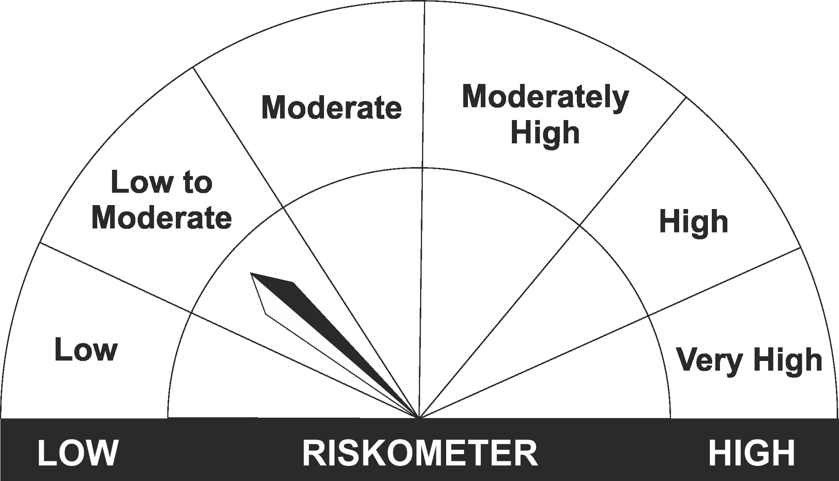
•Income for short term |  | CRISIL Liquid Fund BI Index
•Investment in Debt/Money Market Instruments with maturity of upto 91 days.
•Risk – Moderate |  | •Risk – Low to Moderate

*Investors should consult their financial advisers if in doubt about whether the product is suitable for them.
Mutual Fund investments are subject to market risks, read all scheme related documents carefully.

 | Potential Risk Class
LIC MF Liquid Fund | Credit Risk | Relatively Low (Class A) | Moderate (Class B) | Relatively High (Class C)
 | Interest Rate Risk
 | Relatively Low (Class I) |  | B-I
 | Moderate (Class II)
 | Relatively High (Class III)

